Procurement Process
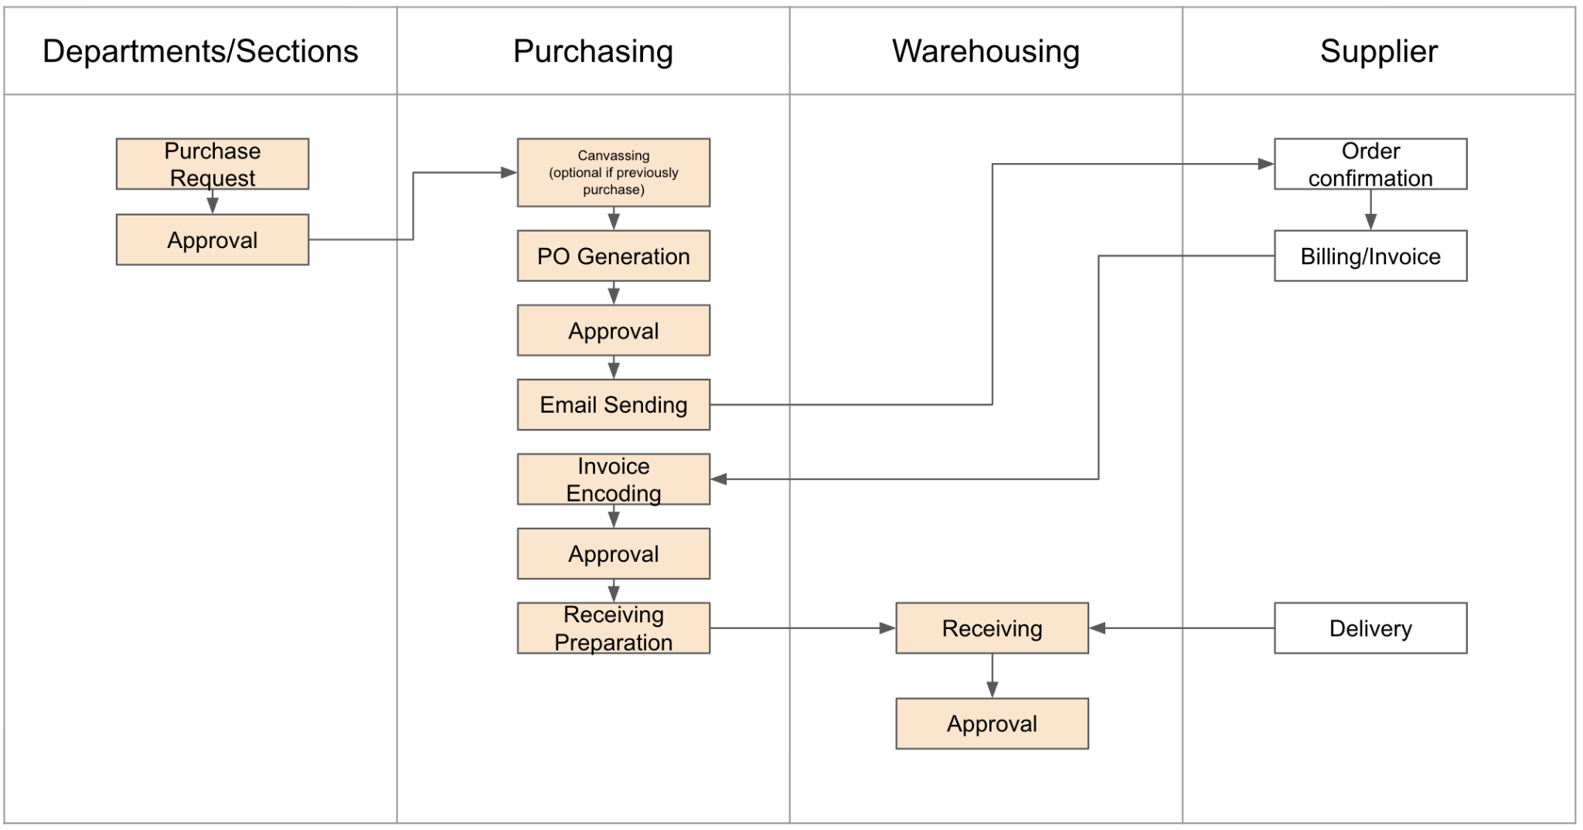

Purchase Request
 | Table Name: purchase_request
 | Column Name | Data Type | Length | Nullable | Remarks | Sample Data
PK | id | int |  | no | Identity | 1
 | control_no | char | 15 | no | unique fixed pattern: PR25-########## | PR25-0000000001
 | request_date | timestampz |  | no | when the request was created; by default same as created_at | 2025-11-19
 | cost_center | int |  | no | requesting department; default: creator's cost center | 1
 | purpose | varchar | 500 | yes
 | priority | enum(Low, Normal, High, Urgent) |  | no | default: Normal
 | status | enum(New, Endorsed, Approved, Fulfilled, Cancelled, Dissapproved) |  | no | default: New
FK | created_by | INT |  | no | FK: user.id
FK | updated_by | INT |  | no | FK: user.id
 | created_at | timestamptz |  | no | date and time
 | updated_at | timestamptz |  | no | date and time

 | Table Name: purchase_request_item
 | Column Name | Data Type | Length | Nullable | Remarks | Sample Data
PK | id | int |  | no | Identity | 1
FK | pr_id | int |  | no | link to purchase_request | PR25-0000000001
 | item_sequence | int |  | no | line number | 2025-11-19
 | material_id | int |  | no | requesting department; default: creator's cost center | 1
 | description | varchar | 500 | yes
 | quantity | decimal |  | no | depends on material's uom type ; can be whole number or decimal
 | uom_id | int |  | no | use material's base uom
 | estimated_unit_price | decimal |  | yes
 | estimated_total | decimal |  | yes
 | justification | varchar | 500 | yes | optional
 | project_name | varchar | 100 | yes | for budgetting purpose
FK | preferred_supplier | int |  | yes | FK: partner.id
 | cost_center | int |  | no | cost center to charge to
 | status | enum(New, Endorsed, Approved, Fulfilled, Cancelled, Dissapproved) |  | no | default: New
FK | created_by | INT |  | no | FK: user.id
FK | updated_by | INT |  | no | FK: user.id
 | created_at | timestamptz |  | no | date and time
 | updated_at | timestamptz |  | no | date and time

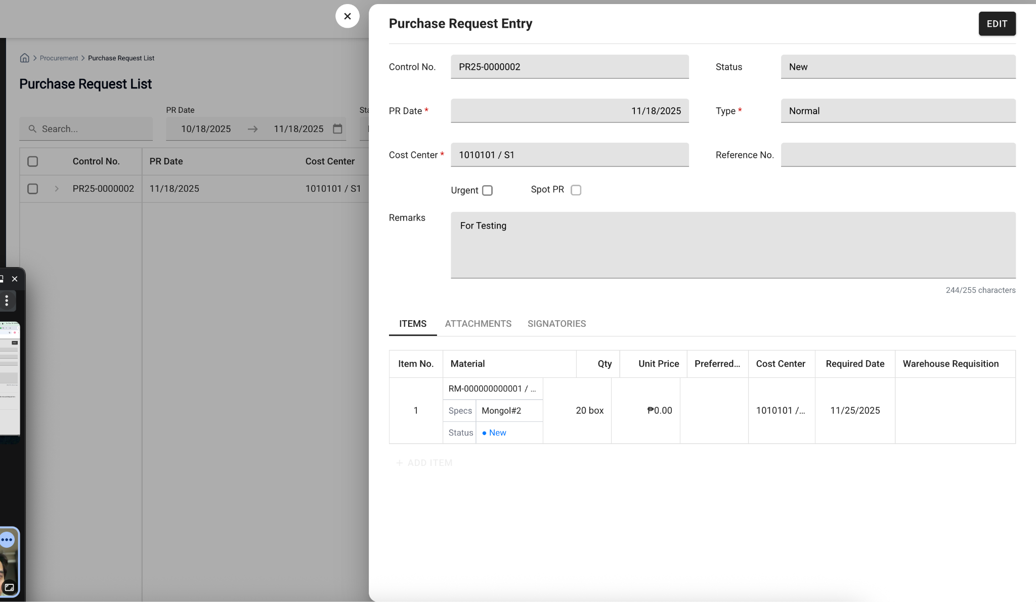
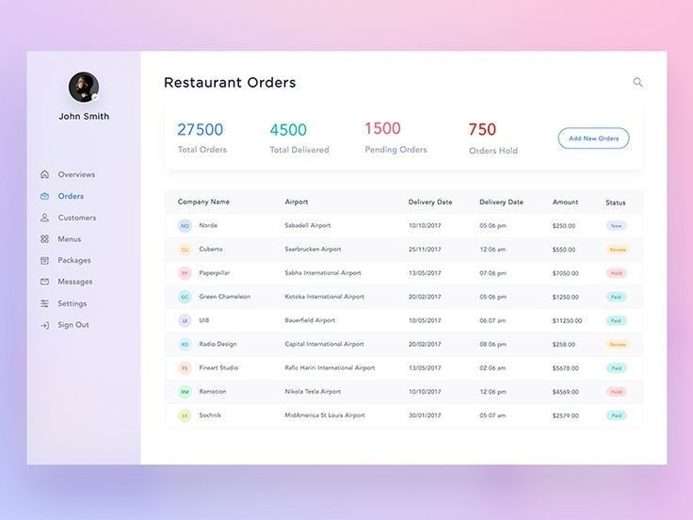
 | Master- Detail FORMS |  | List Form
 | https://www.scriptcase.net/samples/php-form/master-detail/
 | https://docs.oracle.com/en/database/oracle/apex/23.1/htmdb/managing-master-detail-forms.html#GUID-8A0BE4D9-DF3F-4771-A322-EC7B9AA90381

